Futures Tickers
Product Code |  |  | Month Code | Year Code

ED |  |  | Z | 23

Product | Expiry | Ticker | Description
ED | H3 | EDH3 | Eurodollar Futures MAR-2023
ED | M3 | EDM3 | Eurodollar Futures JUN-2023
ED | U3 | EDU3 | Eurodollar Futures SEP-2023
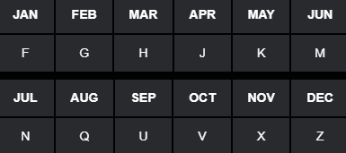
ED | Z3 | EDZ3 | Eurodollar Futures DEC-2023

Product Code |  |  | Month Code | Year Code

ED |  |  | Z | 3

USD 3M SOFR Futures
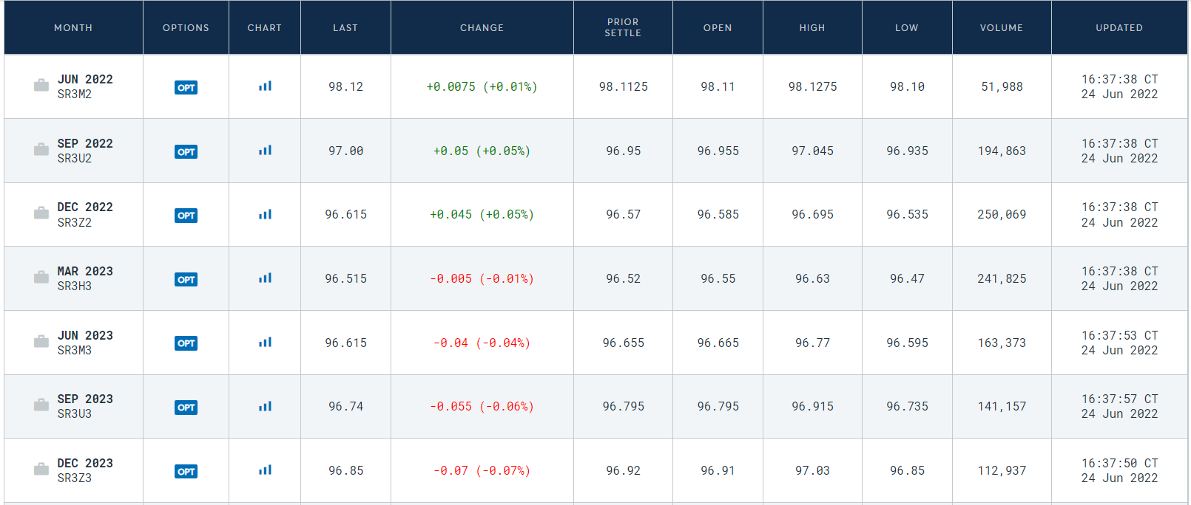

Source: https://www.cmegroup.com/markets/interest-rates/stirs/three-month-sofr.quotes.html

Compound Interest
 | r | 5.00

Weekday | d | r % | RG | https://www.cmegroup.com/markets/interest-rates/stirs/eurodollar.contractSpecs.html
Mon | 1 | 8.52 | 1.00024 | https://www.cmegroup.com/education/files/sofr-futures-contract-specifications.pdf
Tues | 1 | 9.79 | 1.00027
$R_{G}=$ $\left[\prod_{i}{\left\{1+\left(\frac{d_{i}}{360}\right)∗\left(\frac{r_{i}}{100}\right)\right\}−1} \right]∗ \left(\frac{360}{\sum_{i}{d_{i}}}\right)∗100$
Wed | 1 | 1.23 | 1.00003
Thurs | 1 | 9.48 | 1.00026
Fri | 3 | 7.62 | 1.00063
$R_{A}=$ ${\left[\sum_{i}{\left(\frac{d_{i}}{360}\right)∗\left(\frac{r_{i}}{100}\right)}\right]}/{\sum_{i}{d_{i}}}∗100$
Mon | 1 | 2.69 | 1.00007
Tues | 1 | 8.87 | 1.00025
Wed | 1 | 4.90 | 1.00014
Thurs | 1 | 4.78 | 1.00013
Fri | 3 | 9.82 | 1.00082

 | nDays | RA | RG
 | 14 | 7.3262 | 7.3349

 | Frequency | Monthly | Quarterly
 | Compounding | Arithmetic | Geometric

 | Future | FA | FG
 | Quote | 92.6738 | 92.6651

